EQ Template
STG Customer's Name |  | SERO, DE, Rohrbach | Issued by | Caiju.jiang
STG Customer's P/N |  | 59.0347.0B | Factory P/N | JA2C877LA0
STG P/N |  | 02R001374.A01 | Date | 2025-04-23 16:55:39

Customer Engineering Approval

Choosen Base Material |  | VT-42 TG≥130 | Choosen Solder Mask | DSR-2200TL-05M with matt green
Via Plugging type |  | All vias have solder mask opening on both side | Delivery Panel Size(mm*mm) | 320*249.1mm

No | Description of the Problem/picture | Suggestion/Proposal | Customer Response | EQ Status
1 | 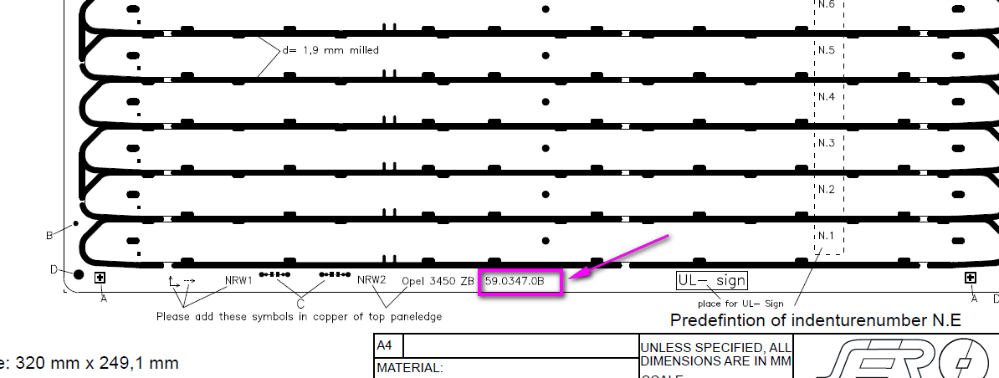 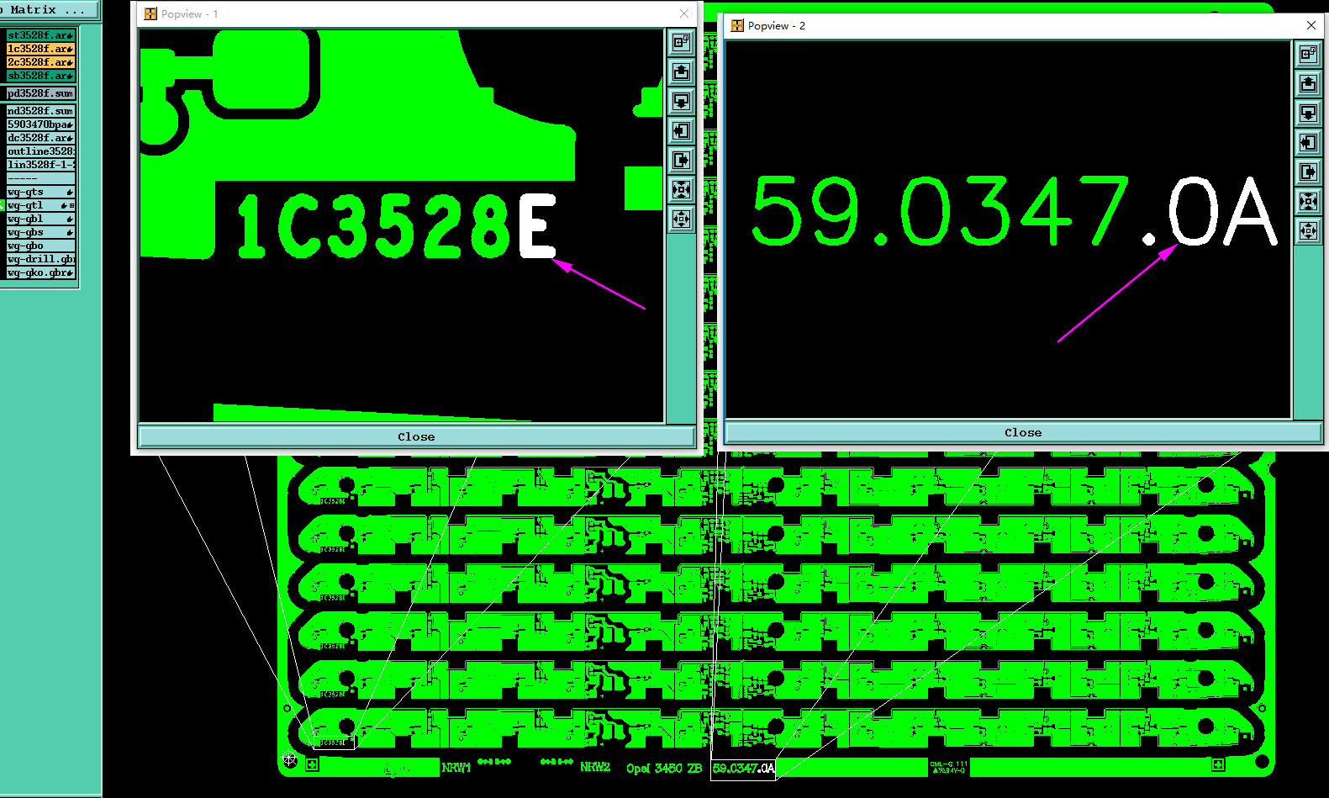 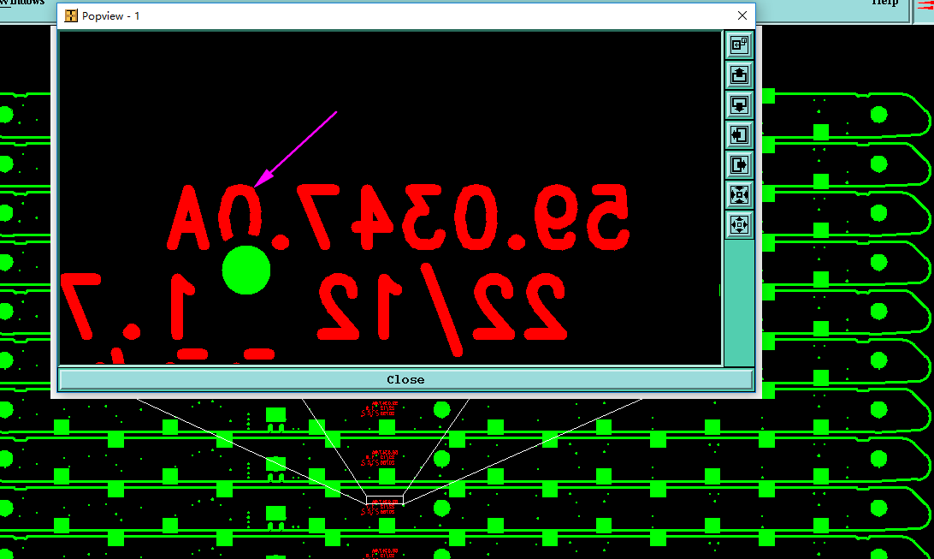 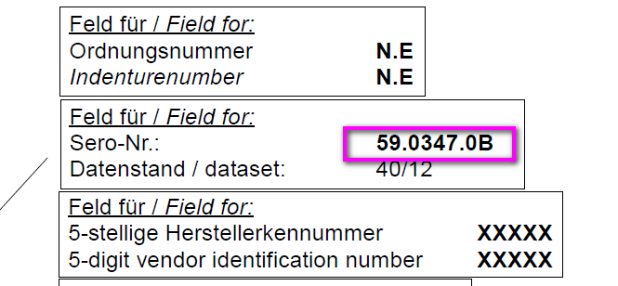 The version number are different betweent the GB wokring gerber and PDF drawing | We suggestion A or B, please choose one reply A: Follow pdf drawing to do, we will change the GB working gerber from 1c3528E and 59.0347.0A to 1c3528F and 59.0347.0B. B:Follow GB working gerber to do | STG DE MaG: A
2 | 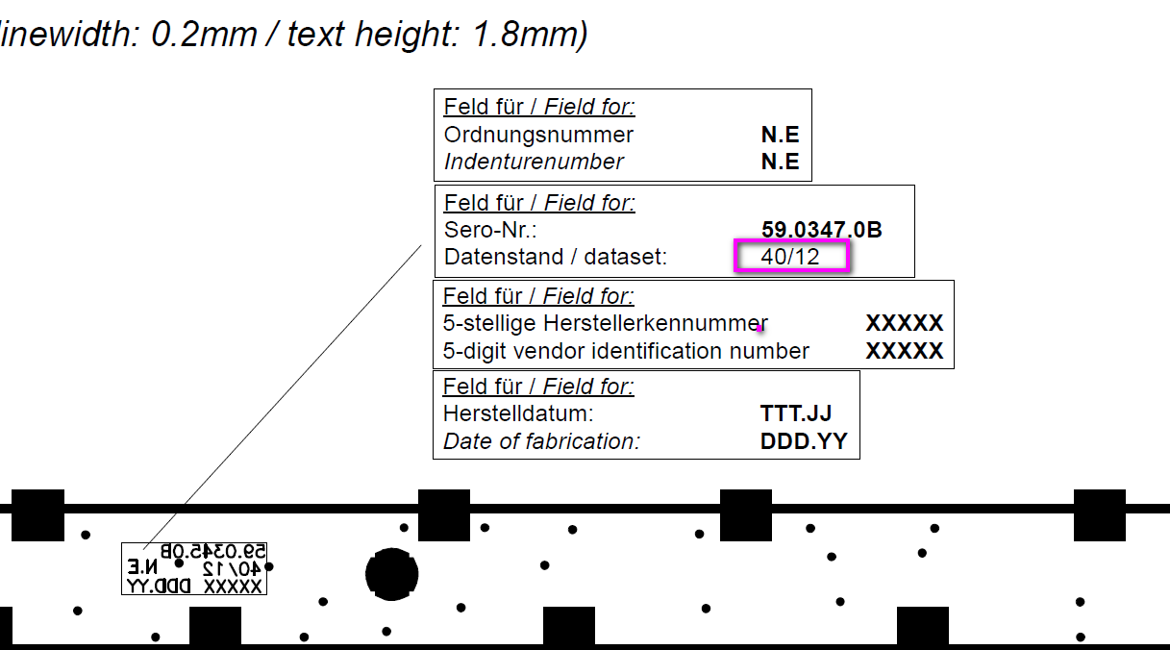 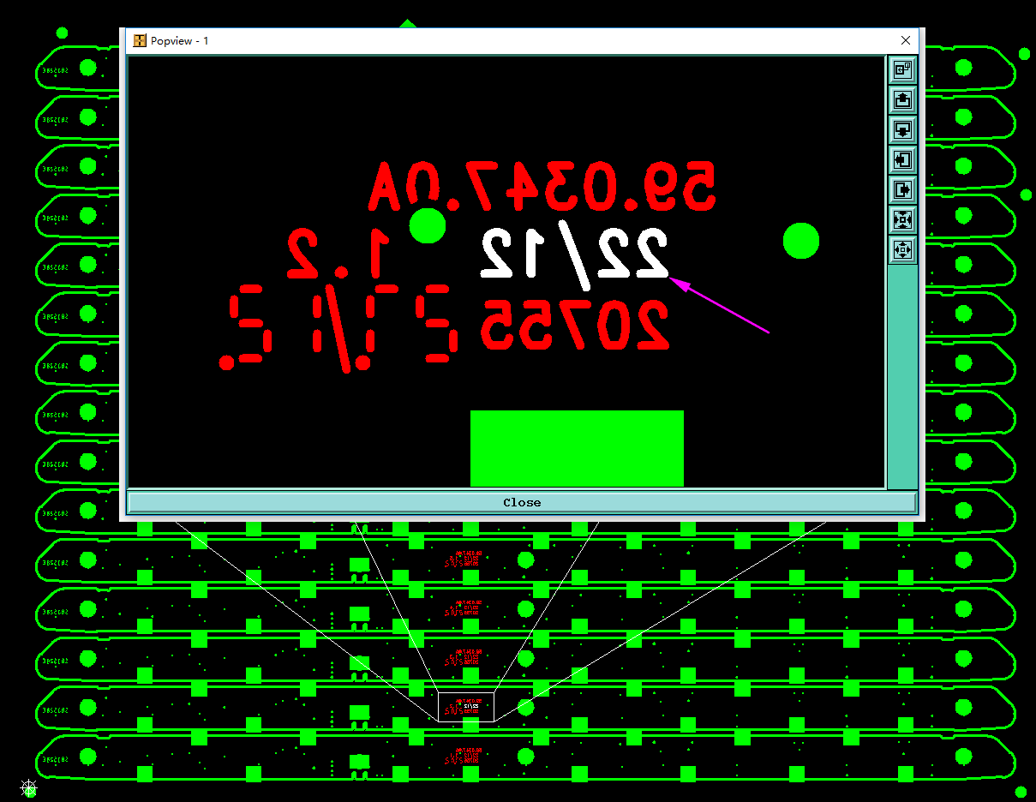 As below picture shown, the dataset is different betweent the GB working gerber and pdf drawing | We suggestion A or B, please choose one reply A: Follow pdf drawing to do, we will change the GB working gerber from 22/12 to 40/12 B:Follow GB working gerber to do | STG DE MaG: A
Date |  |  | Customer's Signature
6-Nov-2023 |  |  | STG DE MaG
Note: * Info for report and CEA: Green marked means customer was informed and the information has to add in the report page Customer Engineering Approval. only keep the Green marked EQ and print as CEA Add EQ status, if factory clarify 2nd EQ, must choose the correct EQ status with "Closed", "Open", "New"

